Planted Rows
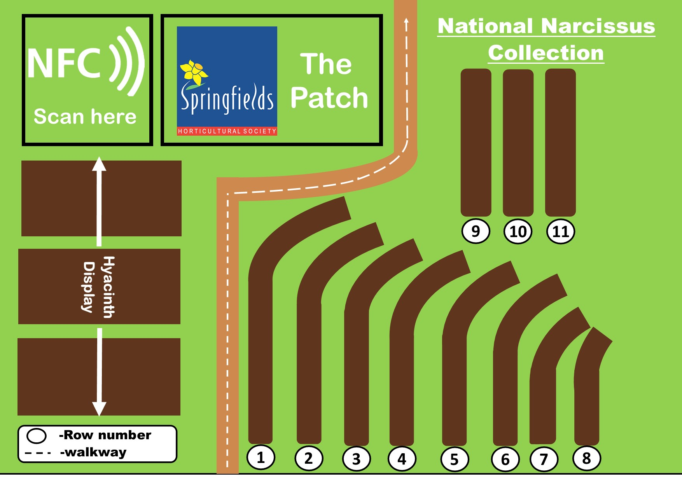

Row_1
 | Division | Plant No | bulbs available | Colour | Name
 | 1 | 1 | ü | YYW-P | American Heritage | 
 | 1 | 2 | ü | Y-Y | Arctic Gold poor 2 bulbs | 
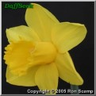 | 1 | 3 | ü | Y-Y | Barenwyn | 
 | 1 | 4 | ü | W-Y | Bell Rock AGM 2011 | 
 | 1 | 5 | ü | W-W | Beersheba | 
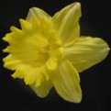 | 1 | 6 | ü | YYW-Y | Bestseller | 
no image | 1 | 7 | ü | Y-Y | Bird of Dawning | 
no image | 1 | 8 | ü | Y-Y | Bleasby Gorse | 
 | 1 |  |  | Y-Y | Bob Minor | 
 | 1 | 9 |  | Y-Y | Brabazon | 
 | 1 | 10 |  | W-Y | Bravoure AGM 1983 | 
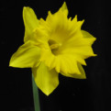 | 1 | 12 |  | Y-Y | Brighton | 
 | 1 | 13 |  | W-W | Broughshane | 
 | 1 | 14 |  | W-GPP | Cavoda | 
 | 1 | 15 |  | W-WWY | Content | 
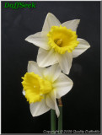 | 1 | 16 | ü | W-Y | Crewenna | 
no image | 1 | 17 | ü | Y-Y | Crock of Gold | 
 | 1 | 18 | ü | Y-Y | Cyclope | 
no image | 1 | 19 | ü | Y-Y | Early Sensation | 
 | 1 | 20 | ü | Y-W | Entrancement | 
 | 1 | 21 | ü | W-Y | February Silver | 
no image | 1 | 22 | ü | Y-Y | Galashiels | 
no image | 1 | 23 | ü | Y-Y | Golden Day | 
no image | 1 | 24 | ü | Y-Y | Golden Empire | 
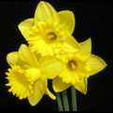 | 1 | 25 | ü | Y-Y | Golden Robin | 
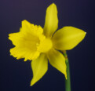 | 1 |  |  | Y-Y | Golden Spur | 
 | 1 |  |  | Y-Y | Golden Starlight | 
no image | 1 | 26 | ü | W-Y | Grianan | 
 | 1 | 27 | ü | Y-Y | Harbinger of Spring | 
 | 1 | 28 | ü | Y-Y | Henry Irving | 
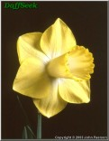 | 1 | 29 | ü | YYW-WYY | Highgrove | 
no image | 1 | 30 | ü | Y-Y | Investment | 
 | 1 | 31 | ü | Y-Y | Joseph MacLeod | 
no image | 1 | 32 | ü | Y-Y | Kerensa | 
 | 1 | 33 | ü | Y-Y | King Alfred | 
 | 1 | 34 | ü | Y-Y | Knockstacken | 

Row_2
 | Division | Plant No | bulbs available | Colour | Name
 | 1 | 34 | ü | Y-Y | Knockstacken
no image | 1 | 35 | ü | Y-Y | Langlo | 
 | 1 | 36 | ü | W-Y | Las Vegas | 
 | 1 | 37 | ü | W-Y | Little Beauty | 
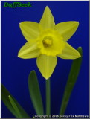 | 1 | 38 | ü | Y-Y | Little Gem AGM 1997 | 
no image | 1 | 40 | ü | W-Y | Magnet | 
 | 1 | 41 | ü | Y-Y | Malvern City | 
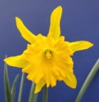 | 1 | 42 | ü | Y-Y | Maximus | 
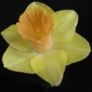 | 1 | 43 | ü | YYW-P | Memento | 
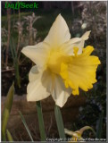 | 1 |  |  | Y-Y | Millgreen | 
 | 1 | 44 | ü | Y-W | Nampa | 
 | 1 | 45 | ü | Y-Y | Olympic Gold | 
no image | 1 | 46 | ü | Y-Y | Ponderosa | 
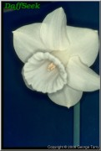 | 1 |  |  | W-W | Rashee | 
no image | 1 | 49 |  | Y-Y | Rosenwyn | 
no image | 1 | 50 | ü | W-WYY | Saltermill | 
 | 1 | 51 | ü | Y-Y | Squire | 
no image | 1 | 53 | ü | Y-Y | Tamsyn | 
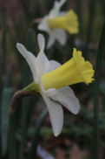 | 1 |  |  | W-Y | Tannaghmore | 
 | 1 |  |  | W-Y | Topolino | 
no image | 1 |  |  | Y-Y | Toujours | 
 | 1 | 55 | ü | W-Y | Trousseau | 
 | 1 | 56 | ü | YYW-WWY | Trumpet Warrior | 
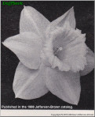 | 1 | 57 | ü | Y-Y | Trumpeter | 
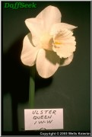 | 1 | 58 | ü | W-W | Ulster Queen | 
no image | 1 |  |  | W-Y | Victoria | 
 | 1 |  |  | W-W | W P Milner | 
no image | 1 |  |  | W-W | White Chief | 
no image | 1 | 61 | ü | Y-Y | Yellow Dazzler | 
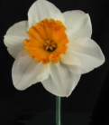 | 2 | 1 | ü | W-O | Ababa | 
 | 2 | 2 | ü | W-P | Accent | 
 | 2 | 3 | ü | Y-Y | Ad-Rem | 
no image | 2 | 4 | ü | W-O | Agora | 
 | 2 | 5 | ü | W-P | Allurement | 
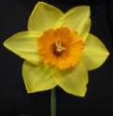 | 2 | 6 | ü | Y-O | Armada | 
no image | 2 | 7 | ü | Y-Y | Armynel | 
 | 2 | 8 | ü | W-R | Avenger | 
 | 2 | 11 | ü | W-YYR | Bedruthan | 

Row_3
 | Division | Plant No | bulbs available | Colour | Name
 | 2 | 13 | ü | Y-W | Binkie | 
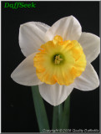 | 2 | 14 | ü | W-YYO | Bobolink | 
no image | 2 | 15 | ü | W-YYO | Bovagh | 
 | 2 | 16 | ü | W-Y | Brunswick | 
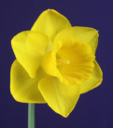 | 2 | 18 | ü | Y-Y | Camelot | 
 | 2 | 19 | ü | Y-O | Carbineer | 
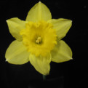 | 2 | 20 | ü | Y-Y | Carlton | 
no image | 2 | 21 | ü | Y-R | Cathay | 
 | 2 | 22 | ü | Y-O | Celestial Fire | 
 | 2 | 23 | ü | Y-WWY | Charter | 
 | 2 | 24 | ü | W-WWP | China Doll | 
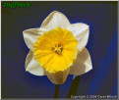 | 2 | 25 | ü | W-Y | Chinook | 
 | 2 | 26 | ü | Y-Y | Cibola | 
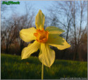 | 2 | 27 | ü | Y-O | CJ Backhouse | 
 | 2 | 28 | ü | YYW-W | Cloud Nine | 
 | 2 | 29 | ü | YYW-Y | Clouded Yellow | 
 | 2 | 30 | ü | YY | Copperfield | 
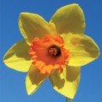 | 2 | 31 | ü | Y-O | Court Martial | 
no image | 2 | 32 | ü | Y-Y | Cove | 
 | 2 | 33 | ü | Y-YYO | Croesus | 
no image | 2 | 34 | ü | Y-O | Danae | 
 | 2 | 35 | ü | Y-W | Day Dream | 
 | 2 | 36 | ü | Y-YYO | Delibes | 
no image | 2 | 37 | ü | Y-Y | Dellan | 
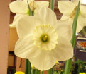 | 2 | 38 | ü | W-WWY | Deodora | 
no image | 2 | 39 | ü | W-Y | Dromona | 
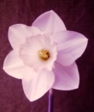 | 2 | 40 | ü | W-WWP | Drumboe | 
no image | 2 | 41 | ü | Y-R | Dundarave | 
 | 2 | 42 | ü | Y-O | Dunkeld | 
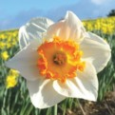 | 2 | 43 | ü | W-YOO | Early Bride | 
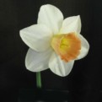 | 2 | 44 | ü | WP | Easter Dawn | 

Row_4
 | Division | Plant No | bulbs available | Colour | Name
no image | 2 | 45 | ü | Y-O | Early Flame | 
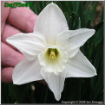 | 2 | 46 | ü | W-W | Evening | 
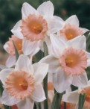 | 2 | 47 | ü | WP | Faith | 
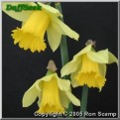 | 2 | 48 | ü | Y-Y | Feena | 
 | 2 | 49 | ü | W YYP | Filly | 
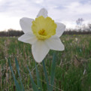 | 2 | 50 | ü | W-Y | Finland | 
no image | 2 | 51 | ü | Y-O | Fire Chief | 
no image | 2 | 52 | ü | Y-YYO | Flowersong | 
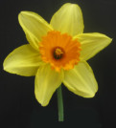 | 2 |  |  | Y-O | Fortissimo | 
 | 2 | 53 | ü | Y-O | Fortune | 
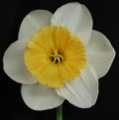 | 2 | 54 | ü | W-O | Fragrant Breeze | 
no image | 2 | 55 | ü | W-OOY | Gardenvale | 
no image | 2 | 56 | ü | Y-YOO | Gaylord | 
 | 2 |  |  | W-P | Gem Of Antrim | 
 | 2 | 57 | ü | W-O | George Leak | 
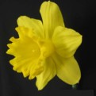 | 2 | 58 | ü | Y-Y | Gigantic Star | 
no image | 2 | 59 | ü | Y-Y | Gold Top | 
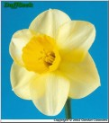 | 2 | 60 | ü | Y-OOY | Golden Amber | 
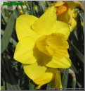 | 2 | 61 | ü | Y-GYY | Golden Jewel | 
 | 2 | 62 | ü | W-W | Greenland | 
 | 2 | 63 | ü | Y-Y | Grenoble | 
 | 2 | 64 | ü | Y-W | Helford Dawn | 
 | 2 | 65 | ü | Y-O | Helios | 
 | 2 | 67 | ü | Y/GWP | High Society | 
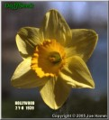 | 2 | 68 | ü | Y-O | Hollywood | 
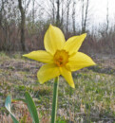 | 2 | 69 | ü | Y-O | Hospodar | 
 | 2 | 70 | ü | W-O | Irish Legend | 
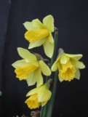 | 2 | 71 | ü | Y-Y | Jedna | 
no image | 2 | 72 | ü | W-Y | Jindalee | 
 | 2 | 73 | ü | W-O | Johann Strauss | 
N/A | 2 | 74 | ü | W-YP | Kabaya | N/A
no image | 2 | 75 | ü | Y-YYR | Ken Farmer | 
 | 2 | 76 | ü | Y-O | Killigrew | 
 | 2 | 77 | ü | W-YOO | Kilworth | 
 | 2 | 78 | ü | W-O/WY | La Argentina | N/A
no image | 2 | 79 | ü | W-Y | Lebanon | 
 | 2 | 80 | ü | Y-R | Loch Hope | 

Row_5
 | Division | Plant No | bulbs available | Colour | Name
no image | 2 | 81 | ü | W-O | Lorenzo | 
no image | 2 | 82 | ü | W-OOY | Love Song | 
 | 2 | 83 | ü | Y-O | Loveday | 
 | 2 | 84 | ü | W-YOO | Lucifer | 
no image | 2 | 85 | ü | W-YYR | Maid Of Ulster | 
no image | 2 | 86 | ü | Y-R | March Madness | 
 | 2 | 87 | ü | Y-YYO | Marimba | 
no image | 2 | 88 | ü | Y-R | Mars | 
 | 2 | 89 | ü | W-Y | May Muriel | 
 | 2 | 90 | ü | W-GYY | May Queen | 
no image | 2 | 91 | ü | W-Y | Melyor | 
 | 2 | 92 | ü | W-Y | Mount Pleasant | 
no image | 2 | 93 | ü | W-Y | Mountnorris | 
 | 2 | 94 | ü | W-P | Mrs R O Backhouse | 
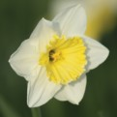 | 2 | 95 | ü | W-Y | Muscadet | 
 | 2 | 96 | ü | W-P | My Word | 
 | 2 | 97 | ü | Y-W | Nazareth | 
 | 2 | 98 | ü | Y-O/YW | Nicole | 
 | 2 |  |  | W-O | Norval | 
no image | 2 | 99 | ü | W-YYO | Odense | 
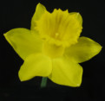 | 2 | 100 | ü | Y-Y | Osiris | 
 | 2 |  |  | W-R | Parsifal | 
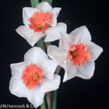 | 2 | 101 | ü | WP | Perfect Lady | 
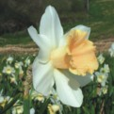 | 2 |  |  | W-PPY | Pink Smiles | 
 | 2 | 102 | ü | W-P | Precosious | 
N/A | 2 | 103 | ü | W-Y | Prof. Einstein | N/A
 | 2 |  |  | W-R | Profile | 
N/A | 2 |  |  | W-P | Quick Step | N/A
 | 2 |  |  | Y-O | Quirinus | 
 | 2 |  |  | W-WWP | Rainbow | 
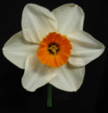 | 2 | 104 |  | W-O | Rameses | 
 | 2 | 105 | ü | W-YYR | Red Cottage | 
 |  |  |  |  |  | 
 | 2 | 106 | ü | W-R | Redhill | 
no image | 2 |  |  | Y-R | Redman | 
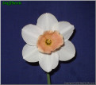 | 2 | 107 | ü | W-P | Romance | 
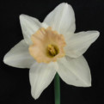 | 2 | 108 | ü | W-P | Rose Of Tralee | 
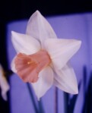 | 2 | 109 | ü | W-P | Rose Royale | 
no image | 2 | 110 | ü | W-O | Rossini | 
 | 2 | 111 | ü | W-O | Royal Regiment | 
no image | 2 | 112 | ü | Y-O | Rushtom Pasha
 | 2 | 113 | ü | Y-YYO | Sacajawea | 

Row_6
 | Division | Plant No | bulbs available | Colour | Name
 | 2 | 115 | ü | Y-GWP | Sandycove | 
 | 2 | 116 | ü | W-P | Satin Pink | 
 | 2 | 118 | ü | W-P | Sentinel | 
 | 2 | 119 | ü | Y-YYR | Scarlet Elegance | 
no image | 2 | 120 | ü | W-R | Sheik | 
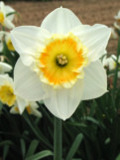 | 2 | 121 | ü | W-O | Silver Moon | 
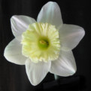 | 2 | 122 | ü | W-W | Silver Standard | 
no image | 2 | 123 | ü | W-P | Sir Samuel | 
 | 2 | 124 | ü | Y-Y | Sir Watkin | 
 | 2 | 125 | ü | Y–Y | Skilliwidden | 
 | 2 | 126 | ü | W-Y | Spring Dawn | 
N/A | 2 | 127 | ü | Y-Y | St. Keverne | N/A
N/A | 2 | 128 | ü | Y-Y | St. Patrick's Day | N/A
 | 2 | 129 | ü | W-W | Stainless | 
 | 2 |  |  | Y-W | Starlight | 
 | 2 | 130 | ü | W-O | Stromboli | 
 | 2 | 131 | ü | W-YYO | Sweet Charity | 
 | 2 | 132 | ü | Y-YOO | Talgarth | 
 | 2 | 133 | ü | Y-Y | Tamara | 
 | 2 | 134 | ü | Y-O | Tecoma | 
 | 2 | 135 | ü | W-W | Tibet | 
 | 2 | 136 | ü | Y-O | Tinker | 
 | 2 | 137 | ü | Y-P | Tickled Pinkeen | 
 | 2 | 138 | ü | Y-Y | Toorak Gold | 
 | 2 | 139 | ü | W-GWW | Tutankahmun | 
 | 2 | 140 | ü | Y-O | Ultimus | 
 | 2 | 141 | ü | Y-O | Vulcan | 
no image | 2 | 142 | ü | W-Y | White Gold | 
 | 2 | 143 | ü | W-W | White Nile | 
 | 2 | 144 | ü | W-W | Whitehead | 
no image | 2 | 145 | ü | Y-Y | William Farmer | 
 | 2 | 146 | ü | Y-Y | Yornup | 

Row_7
 | Division | Plant No | bulbs available | Colour | Name
 | 3 | 1 | ü | W-YOO | Aflame | 
no image | 3 | 2 | ü | W-YYO | Anacapri | 
 | 3 | 3 | ü | W-R | Artillery | 
 | 3 | 4 | ü | Y-YYO | Bath's Flame | 
 | 3 | 5 | ü | W-YYO | Bushmills | 
 | 3 | 6 | ü | W-GYR | Capisco | 
 | 3 | 7 | ü | W-W | Chinese White | 
 | 3 |  |  | W-WWO | Coloratura | 
no image | 3 | 8 | ü | Y-Y | Early Bird | 
 | 3 | 9 | ü | W-GYO | Fairmile | 
 | 3 | 10 | ü | W-YYW | Greenodd | 
 | 3 | 11 | ü | Y-YYO | Gulliver | 
 | 3 | 12 | ü | W-YYO | Hemsworth | 
no image | 3 | 13 | ü | W-O | Kilmore | 
 | 3 |  |  | Y-Y | Lemonade | 
 | 3 | 14 | ü | W-GYR | Lisbane | 
 | 3 | 15 | ü | W-YYR | Margaret Mitchell | 
 | 3 | 16 | ü | W-YYR | Merlin | 
 | 3 | 17 | ü | W-GRR | Mrs David Calvert | 
no image | 3 | 18 | ü | W-W | Mrs Langtry
 | 3 | 19 | ü | W-GWO | Mystic | 
 | 3 | 20 | ü | W-Y | Nelly | 
 | 3 | 21 | ü | W-GWW | Pitts Diamond | 
no image | 3 | 22 | ü | W-Y | Pixies Parlour | 
no image | 3 |  |  | W-WWY | Silver Sand | 
 | 3 | 23 | ü | W-O | Snow Gem | 

Row_8
 | Division | Plant No | bulbs available | Colour | Name
 | 3 | 25 | ü | W-YYO | Sunrise | 
 | 3 | 26 | ü | W-R | Toreador | 
 | 3 | 27 | ü | W-R | Verger | 
 | 3 | 28 | ü | W -Y | White Lady | 
 | 3 | 29 | ü | W-Y | Woodland Prince | 
 | 3 | 30 | ü | W-R | Woodland Star | 

Row_9
 | Division | Plant No | bulbs available | Colour | Name
 | 4 | 1 | ü | W-O | Acropolis | 
 | 4 | 2 | ü | Y-O | Apotheose | 
 | 4 | 3 | ü | Y-O | Ascot | 
 | 4 | 4 | ü | W-Y | Bridal Crown | 
 | 4 | 5 | ü | W-Y | Cheerfulness | 
 | 4 | 6 | ü | W-Y | Codlins & Cream | 
 | 4 | 7 | ü | Y-Y | Dick Wilden | 
 | 4 | 8 | ü | W-Y | Double Dee | 
no image | 4 |  |  | W-Y | Doublet | 
 | 4 | 9 | ü | W-Y | Erlicheer | 
 | 4 | 10 | ü | Y-O | Furbelow | 
no image | 4 | 11 | ü | W-O | Gay Record | 
 | 4 | 12 | ü | W-R | Glowing Red | 
 | 4 | 13 | ü | Y-Y | Golden Bear | 
 | 4 | 14 | ü | Y-Y | Golden Ducat | 
no image | 4 |  |  | Y-Y | Hollands Chase | 
 | 4 | 15 | ü | W-Y | Ice King | 
 | 4 | 16 | ü | Y-Y | Inglescombe | 
 | 4 | 17 | ü | Y-O | Innovator | 
 | 4 | 18 | ü | W-Y | Irani | 
 | 4 | 19 | ü | Y-O | Magellan | 
 | 4 | 20 |  | W-O | Mary Copeland | 
 | 4 | 21 |  | W-P | Mary Rosina | 
 | 4 |  |  | Y-Y | Ocarino | 
 | 4 |  |  | Y-Y | Papua | 
 | 4 | 22 | ü | W-O | Peach Prince | 
 | 4 | 23 | ü | W-PPY | Petit Four | 
 | 4 | 24 | ü | W-YYP | Pink Chiffon | 
no image | 4 | 25 | ü | Y-Y | Planet | 
 | 4 | 26 | ü | Y-Y | Raffles | 

Row_10
 | Division | Plant No | bulbs available | Colour | Name
N/A | 4 | 27 | ü | Y-Y | REHS 70/301/3 | N/A
N/A | 4 | 28 | ü | W-Y | REHS 75/349/4 | N/A
 | 4 | 29 | ü | W-P | Replete | 
 | 4 | 30 | ü | Y-Y | Rip van Winkle | 
 | 4 | 31 | ü | W-W | Santa Claus | 
 | 4 | 32 | ü | W–Y | Serena Lodge | 
 | 4 | 33 | ü | W-O | Sir Winston Churchill | 
 | 4 | 34 | ü | Y-O | Tahiti | 
 | 4 | 37 | ü | Y-O | Texas | 
 | 4 | 38 | ü | W-Y | Unique | 
 | 4 | 39 | ü | W-O | Watersmeet | 
 | 4 | 40 | ü | W-WYY | White Lion | 
 | 4 | 41 | ü | W-W | White Sail | 
 | 4 | 42 |  | Y-Y | Yellow Cheerfulness | 

 | Division | Plant No | bulbs available | Colour | Name
 | 5 | 1 | ü | W-W | Ice Wings | 
 | 5 | 2 | ü | W-W | Rippling Waters | 
 | 5 | 3 | ü | Y-Y | Stint | 
 | 5 | 4 | ü | W-W | Thalia | 
 | 5 | 5 | ü | Y-Y | Thoughtful | 
 | 5 | 6 | ü | W-W | Tresamble | 
 | 6 | 1 |  | W-YYO | Beryl | 
 | 6 | 2 | ü | Y-Y | Charity May | 
 | 6 | 3 | ü | Y-Y | Cornet | 
 | 6 | 4 | ü | Y-Y | February Gold | 
 | 6 | 5 | ü | Y-Y | Garden Princess | 
 | 6 | 6 | ü | Y-O | Jetfire | 
 | 6 | 7 | ü | Y-Y | Larkwhistle | 
 | 6 | 9 | ü | Y-Y | Peeping Tom | 
 | 6 | 10 | ü | Y-Y | Rapture | 
 | 6 | 11 | ü | W-GPP | Reggae | 
 | 6 | 12 | ü | W-Y | The Knave | 
 | 6 | 13 |  | W-Y | Wisley | 
 | 6 | 14 |  | Y-WWY | Wheatear | 

 | 7 | 1 | ü | Y-Y-Y-P | Blushing Lady | 
 | 7 | 2 | ü | Y-R | Katherine Jenkins | 
 | 7 | 3 | ü | Y-R | Mowser | 
 | 7 | 4 | ü | Y-Y | Quail | 
 | 7 |  |  | W-P | Quick Step | 
 | 7 | 5 | ü | Y-Y | Rugulosus | 
no image | 7 | 6 | ü | Y-Y | Shepard's Hey
 | 7 | 7 | ü | W-YYW | Sugarbush | 

Row_11
 | Division | Plant No | bulbs available | Colour | Name
 | 7 | 8 | ü | Y-O | Suzy
 | 7 | 9 | ü | Y-Y | Sweetness
 | 7 | 10 | ü | W-YPP | Waterperry

 | Division | Plant No | bulbs available | Colour | Name
 | 8 | 1 | ü | W-Y | Canaliculatus | 
 | 8 | 2 | ü | W-Y | Compressus | 
 | 8 | 3 | ü | Y-O | Dan Du Plessis | 
 | 8 | 4 | ü | W-YYO | Elvira | 
 | 8 | 5 | ü | W-O | Geranium | 
 | 8 |  |  | W-O | Gloriosus | 
 | 8 | 6 | ü | Y-O | Golden Dawn | 
 | 8 | 7 | ü | W-Y | Grand Monarque | 
 | 8 | 9 | ü | Y-YYO | Highfield Beauty | 
 | 8 | 10 | ü | Y-O | Innisidgen | 
 | 8 | 11 | ü | Y-GOO | Matador | 
 | 8 | 12 | ü | Y-Y | Minnow | 
 | 8 | 13 | ü | Y-O | Romeo | 
 | 8 | 14 | ü | Y-O | Scarlet Gem | 
no image | 8 | 15 | ü | Y-O | Scilly Valentine | 
 | 8 | 16 | ü | W-W | Silver Chimes | 

 | Division | Plant No | bulbs available | Colour | Name
 | 9 | 1 | ü | W-YYR | Actaea | 
 | 9 | 2 | ü | W-GYR | Cargreen | 
 | 9 | 3 | ü | W–YYR | Kabani | 
 | 9 | 4 | ü | W-GYR | Lady Serena | 
 | 9 | 5 | ü | W–YYR | Merthan | 
 | 9 | 6 | ü | W–GYR | Saint Petroc | 

 | Division | Plant No | bulbs available | Colour | Name
 | 11a | 1 | ü | W-P/W | Apricot Whirl | 
 | 11a | 2 | ü | Y-YYO | Blazing Starlet | 
 | 11a | 3 | ü | W-WWP | Bossiney | 
 | 11a |  |  | Y–O | Carnyorth | 
 | 11a |  |  | W-W | Cassata | 
 | 11a |  |  | Y-Y | Chanterelle | 
 | 11a | 4 |  | W-Y | Fanline | 
 | 11a | 5 |  | Y-YYO | Jack Wood | 
 | 11a | 6 |  | Y-P | Mary Gay Lirette | 
 | 11a | 8 | ü | W-Y | Mistral | 
 | 11a | 9 | ü | Y-O | Mondragon | 
 | 11a | 10 | ü | W-OOY | Orangery | 
 | 11a | 11 | ü | W-P | Palmares | 
 | 11a | 12 | ü | YY | Pampaluna | 
 | 11a | 13 | ü | W-O | Parisienne | 
 | 11a |  |  | W-O | Pomeranza | 
 | 11a | 14 | ü | W-YPP | Rainbow of Colors | 
 | 11a | 15 | ü | Y-O | Tiritomba | 
 | 11a | 16 | ü | WP | Vanilla Peach | 

 | Division | Plant No | bulbs available | Colour | Name
 | 12 | 1 | ü | Y-O | Eaton Song | 
 | 12 | 2 | ü | Y-Y | Tête-à-Tête | 

 | Division | Plant No | bulbs available | Colour | Name
 | 13 | 1 |  | Y-Y | N. asturiensis | 
 | 13 | 2 | ü | W-W | N. pachybolbus | 
N/A | 13 | 3 | ü | W-W | N. papyraceus Paper White (Maltese form) | N/A
 | 13 | 4 | ü | W-W | N. papyraceus Paper White (standard form) | 
N/A | 13 | 5 | ü | W-GYR | N. poeticus radiiflorus var. poetarum | N/A

 | Division | Plant No | bulbs available | Colour | Name
 | 13 | 7 | ü | W-YYR | N. poeticus var. recurvus | 
N/A | 13 | 8 | ü | Y-Y | N. pseudonarcissus subsp. Obvallaris | N/A
 | 13 | 9 | ü | W-Y | N. tazetta subsp. lacticolor | 

